General
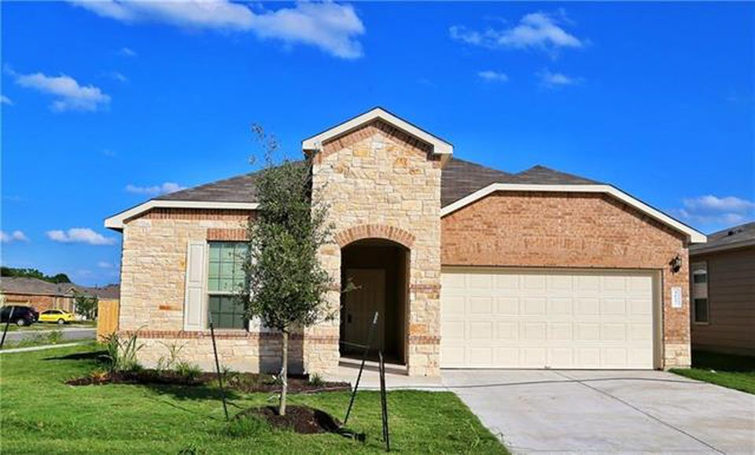
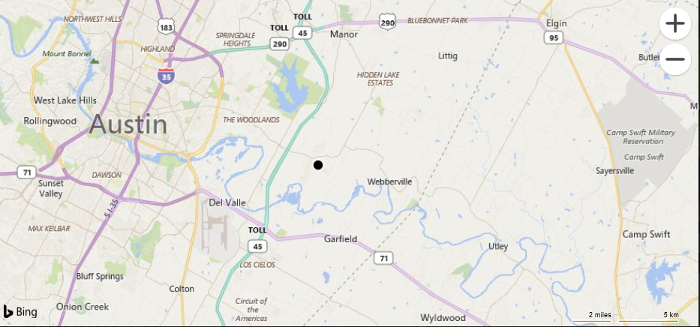
Final Project: Buy vs. Rent
By: | Blake Rosenhagen

Address: | 4617 Belfield Ln, Austin, TX, 78725

Value of Residence: $215,637 |  | Monthy Rent: $1,550

Mortage Payment
Mortage Payment @ 15 Years
 | Interest | Principal
 | 532 | 718
 | 530 | 721
 | 527 | 723
 | 525 | 725
 | 523 | 727
 | 521 | 729
 | 519 | 732
 | 516 | 734
 | 514 | 736
 | 512 | 739
 | 509 | 741
 | 507 | 743
 | 505 | 745
 | 503 | 748
 | 500 | 750
 | 498 | 752
 | 496 | 755
 | 493 | 757
 | 491 | 759
 | 489 | 762
 | 486 | 764
 | 484 | 766
 | 482 | 769
 | 479 | 771
 | 477 | 773
 | 474 | 776
 | 472 | 778
 | 470 | 781
 | 467 | 783
 | 465 | 785
 | 462 | 788
 | 460 | 790
 | 458 | 793
 | 455 | 795
 | 453 | 798
 | 450 | 800
 | 448 | 803
 | 445 | 805
 | 443 | 807
 | 440 | 810
 | 438 | 812
 | 435 | 815
 | 433 | 818
 | 430 | 820
 | 428 | 823
 | 425 | 825
 | 423 | 828
 | 420 | 830
 | 418 | 833
 | 415 | 835
...

Mortage Payment @ 30 Years
 | Interest | Principal
 | 618 | 236
 | 617 | 236
 | 616 | 237
 | 616 | 238
 | 615 | 239
 | 614 | 240
 | 613 | 241
 | 612 | 242
 | 611 | 242
 | 610 | 243
 | 610 | 244
 | 609 | 245
 | 608 | 246
 | 607 | 247
 | 606 | 248
 | 605 | 249
 | 604 | 249
 | 603 | 250
 | 602 | 251
 | 602 | 252
 | 601 | 253
 | 600 | 254
 | 599 | 255
 | 598 | 256
 | 597 | 257
 | 596 | 258
 | 595 | 258
 | 594 | 259
 | 593 | 260
 | 592 | 261
 | 591 | 262
 | 591 | 263
 | 590 | 264
 | 589 | 265
 | 588 | 266
 | 587 | 267
 | 586 | 268
 | 585 | 269
 | 584 | 270
 | 583 | 271
 | 582 | 272
 | 581 | 273
 | 580 | 274
 | 579 | 275
 | 578 | 276
 | 577 | 277
 | 576 | 278
 | 575 | 279
 | 574 | 280
 | 573 | 281
...

